Fam-Tree

FAMILY TREE
PAGAL FAMILY




Mama
Jane Rose
Papa Juner

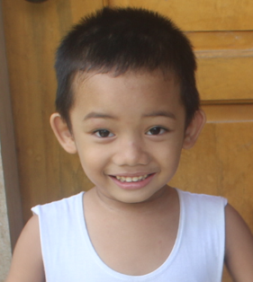

Apollo

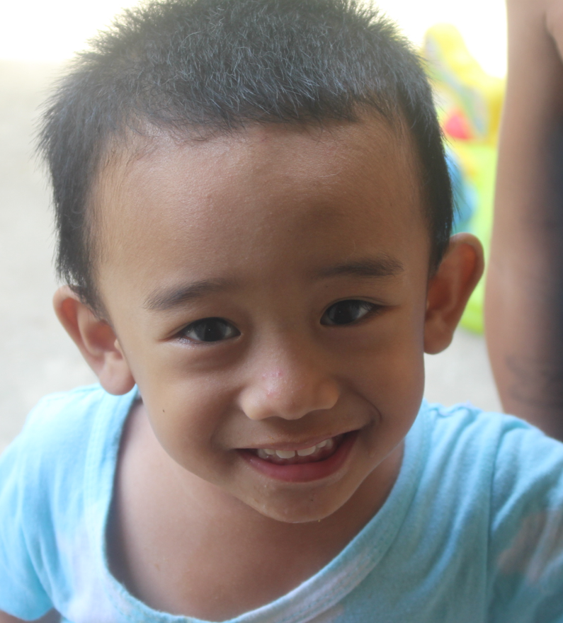

Achilles

Alexa Jane

